3. Product
KEY
For Information Purpose Only
Information Possibly Stored in the System

 |  | Product Information |  |  |  |  |  |  |  |  |  |  |  |  | Billing Information |  |  |  |  |  | Supplier/Vendor Information |  |  | Product Eligibility & Compatibility
Last Updated | Notes and Actions Required | Product Name | Product Alias Name | Description | Part # (Should be Unique) | Product Class | Root Product? | Network Product? (have network node/site concept) | Start Date | End Date | Orderable? | Sales Product? | Track as Asset? | Auto Explode? | Billing Type | Billable? (Y/N) | Price Type? | Unit of Measure | Product Category (Product Family in TIBS) | Revenue Code (GL Account #) | Product Line | Primary Vendor | Vendor Part # | Check Eligibility? | Requires other product? | Exclude other product? | Compatibility Rule Comments | Which customer is the product eligible to? | Which agent/seller is the product eligible to? | Owner (Product Manager Name)
Date Updated | To add working comments | Product Name | Product Name without the Supplier/Vendor Name | Short description of product - this is a business summary of the product functionality. Not stored. | Unique ID for each product | All product should have a class | Is this Level 0/Level 1 product (Root/Commercial Offer) | Have the Network Node/Site Concept | Product available now or to be future dated? Insert relevant future date if product should not be available until a specified date, otherwise enter today's date. | Product not available starting this date | Default to "Y" | Set to "Y" to be selectable in Opty Product. | Default is "Yes" in order for Siebel to track it. But don't assetise any process product. | Auto Explode = Y if allow order multiple quantities. Typically applicable to root product | Set to "Service Bundle" if it is a root product | Should the product be provisioned to BRM (e.g. to be displayed on the bill) | One Time or Recurring? | Only Applicable for Recurring Price Type | Used for TIBS | Revenue Code for Billing & Revenue Mgmt System | To specify whether Telkom Product or DNAPSOO for Supplier Product. | Leave blank if Telkom product. Populate with Supplier Account if Supplier Product. | Unique ID for each Supplier Product | Yes if have E&C rule | Does this product require another product alongside it? E.g. Blackberry Service would require a blackberry handset | Does this product exclude any other product? I.e. if you have this product, is there another specific product you can't have at the same time? | Please specify here any other compatibility information, that will help feed into design decisions, e.g. if only allowed one of this product at a time. | Free text for high level eligibility restrictions | Free text for high level eligibility restrictions | Product Manager responsible for product
 |  | MPLS VPN IP Network | MPLS VPN IP Network |  | VPNIP_NETWORK | MPLS VPN IP Network PS | Y | Y |  |  | Y | Y | Y | Y | Service Bundle | N | Recurring | Per Month | Data & Internet Products | 214|215 | Telkom Product |  |  | N
 |  | MPLS VPN IP Node | MPLS VPN IP Node |  | VPNIP_NODE | MPLS VPN IP Node PS | Y | Y |  |  | Y | Y | Y | Y | Service Bundle | Y | Recurring | Per Month | Data & Internet Products | 214|215 | Telkom Product |  |  | N
 |  | MPLS VPN IP Bandwidth Charge | MPLS VPN IP Bandwidth Charge |  | VPNIP_BW_SPLITCHRG | MPLS VPN IP BW Charge PS | Y | N |  |  | Y | Y | Y | N | Service Bundle | Y | Recurring | Per Month | Data & Internet Products | 214|215 | Telkom Product |  |  | N
 |  | MPLS VPN IP Node Discount | MPLS VPN IP Node Discount |  | VPNIP_NODE_DSC | Discount PS | N | N |  |  | Y | Y | Y | N | Discount | Y | Recurring | Per Month | Data & Internet Products | 214|215 |  |  |  | N
 |  | MPLS VPN IP Bandwidth Charge Discount | MPLS VPN IP Bandwidth Charge Discount |  | VPNIP_BW_SPLITCHRG_DSC | Discount PS | N | N |  |  | Y | Y | Y | N | Discount | Y | Recurring | Per Month | Data & Internet Products | 214|215 |  |  |  | N
 |  | MPLS VPN IP Package 1 | MPLS VPN IP Package 1 |  | VPNIP_PKG01 | MPLS VPN IP Package PS | N | N |  |  | Y | Y | Y | N | Subscription | Y | Recurring | Per Month | Data & Internet Products | 215 |  |  |  | N
 |  | MPLS VPN IP Package 2 | MPLS VPN IP Package 2 |  | VPNIP_PKG02 | MPLS VPN IP Package PS | N | N |  |  | Y | Y | Y | N | Subscription | Y | Recurring | Per Month | Data & Internet Products | 215 |  |  |  | N
 |  | MPLS VPN IP Package 3 | MPLS VPN IP Package 3 |  | VPNIP_PKG03 | MPLS VPN IP Package PS | N | N |  |  | Y | Y | Y | N | Subscription | Y | Recurring | Per Month | Data & Internet Products | 215 |  |  |  | N
 |  | MPLS VPN IP Package 4 | MPLS VPN IP Package 4 |  | VPNIP_PKG04 | MPLS VPN IP Package PS | N | N |  |  | Y | Y | Y | N | Subscription | Y | Recurring | Per Month | Data & Internet Products | 215 |  |  |  | N
 |  | MPLS VPN IP Package 5 | MPLS VPN IP Package 5 |  | VPNIP_PKG05 | MPLS VPN IP Package PS | N | N |  |  | Y | Y | Y | N | Subscription | Y | Recurring | Per Month | Data & Internet Products | 215 |  |  |  | N
 |  | MPLS VPN IP Package 6 | MPLS VPN IP Package 6 |  | VPNIP_PKG06 | MPLS VPN IP Package PS | N | N |  |  | Y | Y | Y | N | Subscription | Y | Recurring | Per Month | Data & Internet Products | 215 |  |  |  | N
 |  | MPLS VPN IP Package 7 | MPLS VPN IP Package 7 |  | VPNIP_PKG07 | MPLS VPN IP Package PS | N | N |  |  | Y | Y | Y | N | Subscription | Y | Recurring | Per Month | Data & Internet Products | 215 |  |  |  | N
 |  | MPLS VPN IP SLG Advanced Secure | MPLS VPN IP SLG Advanced Secure |  | VPNIP_SLG_ADVSEC | MPLS VPN IP SLG PS | N | N |  |  | Y | Y | Y | N | Subscription | Y | Recurring | Per Month | Data & Internet Products | 215 |  |  |  | N
 |  | MPLS VPN IP SLG Secure | MPLS VPN IP SLG Secure |  | VPNIP_SLG_SEC | MPLS VPN IP SLG PS | N | N |  |  | Y | Y | Y | N | Subscription | Y | Recurring | Per Month | Data & Internet Products | 215 |  |  |  | N
 |  | MPLS VPN IP SLG Standard | MPLS VPN IP SLG Standard |  | VPNIP_SLG_STD | MPLS VPN IP SLG PS | N | N |  |  | Y | Y | Y | N | Subscription | Y | Recurring | Per Month | Data & Internet Products | 215 |  |  |  | N
 |  | MPLS VPN IP Burstable | MPLS VPN IP Burstable |  | VPNIP_BURST | Burstable PS | N | N |  |  | Y | Y | Y | N | Subscription | Y | Recurring | Per Month | Data & Internet Products | 215 |  |  |  | N
 |  | MPLS VPN IP On Demand Bandwidth | MPLS VPN IP On Demand Bandwidth |  | VPNIP_BWOD | MPLS VPN IP On Demand BW PS | N | N |  |  | Y | Y | Y | N | Subscription | Y | One-Time |  | Data & Internet Products | 214 |  |  |  | N
 |  | MPLS VPN IP Access List (ACL) | MPLS VPN IP Access List (ACL) |  | VPNIP_ACL | MPLS VPN IP ACL PS | N | N |  |  | Y | Y | Y | N | Subscription | Y | One-Time |  | Data & Internet Products | 214 |  |  |  | N
 |  | MPLS VPN IP DHCP | MPLS VPN IP DHCP |  | VPNIP_DHCP | MPLS VPN IP DHCP PS | N | N |  |  | Y | Y | Y | N | Subscription | Y | One-Time |  | Data & Internet Products | 214 |  |  |  | N
 |  | MPLS VPN IP Network Access Translation | MPLS VPN IP Network Access Translation |  | VPNIP_NAT | MPLS VPN IP NAT PS | N | N |  |  | Y | Y | Y | N | Subscription | Y | One-Time |  | Data & Internet Products | 214 |  |  |  | N
 |  | MPLS VPN IP Network Time Protocol | MPLS VPN IP Network Time Protocol |  | VPNIP_NTP | MPLS VPN IP NTP PS | N | N |  |  | Y | Y | Y | N | Subscription | Y | One-Time |  | Data & Internet Products | 214 |  |  |  | N
 |  | MPLS VPN IP QoS | MPLS VPN IP QoS |  | VPNIP_QOS | MPLS VPN IP QoS PS | N | N |  |  | Y | Y | Y | N | Subscription | Y | Recurring | Per Month | Data & Internet Products | 215 |  |  |  | N
 |  | MPLS VPN IP VLAN Number Preservation | MPLS VPN IP VLAN Number Preservation |  | VPNIP_VLAN | MPLS VPN IP VLAN Preserve PS | N | N |  |  | Y | Y | Y | N | Subscription | Y | One-Time |  | Data & Internet Products | 214 |  |  |  | N
 |  | MPLS VPN IP CPE | MPLS VPN IP CPE |  | VPNIP_CPE | MPLS VPN IP CPE PS | N | N |  |  | Y | Y | Y | N | Subscription | Y | One-Time |  | Data & Internet Products | 214 |  |  |  | N
 |  | MPLS VPN IP Biaya Aktivasi - Business | MPLS VPN IP Biaya Aktivasi - Business |  | VPNIP_OTC_INSTBIZ | MPLS VPN IP Installation OTC PS | N | N |  |  | Y | Y | N | N | Subscription | Y | One-Time |  | Data & Internet Products | 214 |  |  |  | N
 |  | MPLS VPN IP Biaya Aktivasi - Domestik | MPLS VPN IP Biaya Aktivasi - Domestik |  | VPNIP_OTC_INSTDOM | MPLS VPN IP Installation OTC PS | N | N |  |  | Y | Y | N | N | Subscription | Y | One-Time |  | Data & Internet Products | 214 |  |  |  | N
 |  | MPLS VPN IP Biaya IKG - Global | MPLS VPN IP Biaya IKG - Global |  | VPNIP_OTC_INSTGLO | MPLS VPN IP Installation OTC PS | N | N |  |  | N | Y | N | N | Subscription | Y | One-Time |  | Data & Internet Products | 214 |  |  |  | N
 |  | MPLS VPN IP Biaya Administrasi BWoD | MPLS VPN IP Biaya Administrasi BWoD |  | VPNIP_OTC_BWOD | Non Recurring Charge Class | N | N |  |  | Y | Y | N | N | Subscription | Y | One-Time |  | Data & Internet Products | 214 |  |  |  | N
 |  | MPLS VPN IP Biaya Lastmile | MPLS VPN IP Biaya Lastmile |  | VPNIP_OTC_LASTMILE | VPN_IP_LASTMILE_PS | N | N |  |  | Y | Y | N | N | Subscription | Y | One-Time |  | Data & Internet Products | 214 |  |  |  | N
 |  | MPLS VPN IP Biaya Overseas Local Loop | MPLS VPN IP Biaya Overseas Local Loop |  | VPNIP_OTC_OVERSEALL | Non Recurring Charge Class | N | N |  |  | Y | Y | N | N | Subscription | Y | One-Time |  | Data & Internet Products | 214 |  |  |  | N
 |  | MPLS VPN IP Biaya Relokasi | MPLS VPN IP Biaya Relokasi |  | VPNIP_OTC_RELOC | VPN_IP_RELOCATION_OTC_PS | N | N |  |  | Y | Y | N | N | Subscription | Y | One-Time |  | Data & Internet Products | 214 |  |  |  | N
 |  | MPLS VPN IP Dynamic Routing OTC | MPLS VPN IP Dynamic Routing OTC |  | VPNIP_OTC_DYNROUTE | VPNIP_PREFIX_PS | N | N |  |  | Y | Y | N | N | Subscription | Y | One-Time |  | Data & Internet Products | 214 |  |  |  | N
 |  | MPLS VPN IP OTC Telin - Global | MPLS VPN IP OTC Telin - Global |  | VPNIP_OTC_TELIN | Non Recurring Charge Class | N | N |  |  | N | Y | N | N | Subscription | Y | One-Time |  | Data & Internet Products | 214 |  |  |  | N
 |  | MPLS VPN IP OTC Telkom - Global | MPLS VPN IP OTC Telkom - Global |  | VPNIP_OTC_TLKM | Non Recurring Charge Class | N | N |  |  | N | Y | N | N | Subscription | Y | One-Time |  | Data & Internet Products | 214 |  |  |  | N
 |  | MPLS VPN IP Tambahan Jumlah Prefix OTC | MPLS VPN IP Tambahan Jumlah Prefix OTC |  | VPNIP_OTC_ADDPREFIX | VPNIP_PREFIX_PS | N | N |  |  | Y | Y | N | N | Subscription | Y | One-Time |  | Data & Internet Products | 214 |  |  |  | N
 |  | MPLS VPN IP Node Discount OTC | MPLS VPN IP Node Discount OTC | MPLS VPN IP Node Discount OTC | VPNIP_DISCOUNT_OTC | Discount PS
 |  | Fitur VPN Instan | VPN Instan | VPN Instan | VPN_IPINSTANT | VPN_INSTANT_FEATURE_PS
 |  | Fitur Mobile Backup | Fitur Mobile Backup | Fitur Mobile Backup | VPN_MOBILEBACKUP | VPN_MOBILEBCKUP_FEATURE_PS
 |  | Biaya Aktivasi Mobile Backup | Biaya Aktivasi Mobile Backup | Biaya Aktivasi Mobile Backup | VPN_INSTALASI_MOBBCKUP | Non Recurring Charge Class
 |  | Biaya Relokasi Mobile Backup | Biaya Relokasi Mobile Backup | Biaya Relokasi Mobile Backup | VPN_RELOKASI_MOBBCKUP | Non Recurring Charge Class
 |  | MPLS VPN IP Biaya IKG-Domestik | MPLS VPN IP Biaya IKG - Domestik |  | VPNIP_OTC_IKGDOM | MPLS VPN IP Installation OTC PS | N | N |  |  | Y | Y | N | N | Subscription | Y | One-Time |  | Data & Internet Products | 214 |  |  |  | N

8. Advanced Pricing
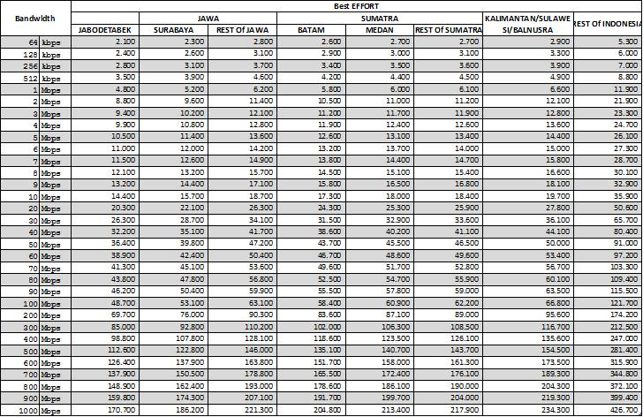
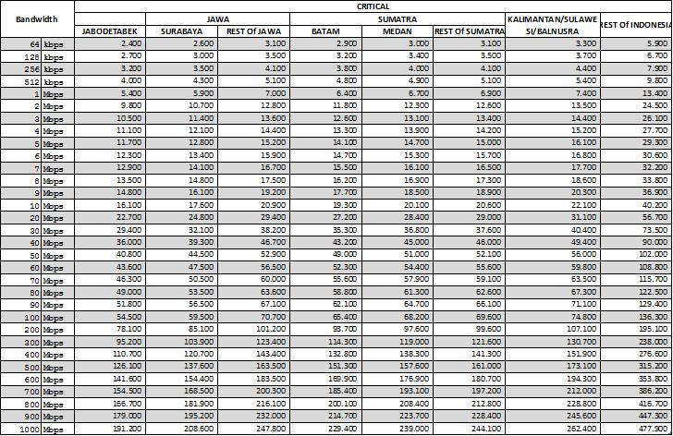
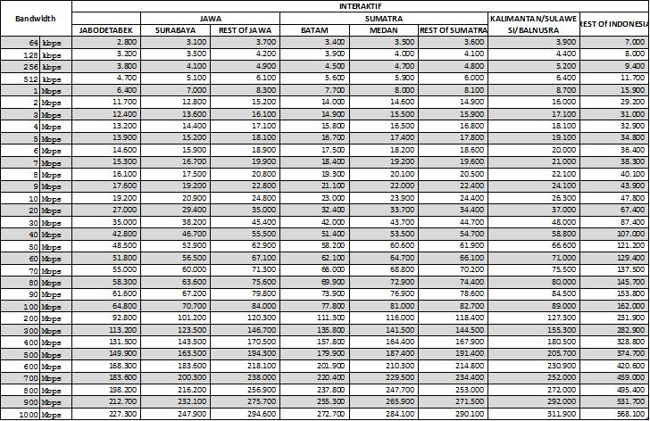
VPN IP Business Bandwidth vs QoS Charging Schema

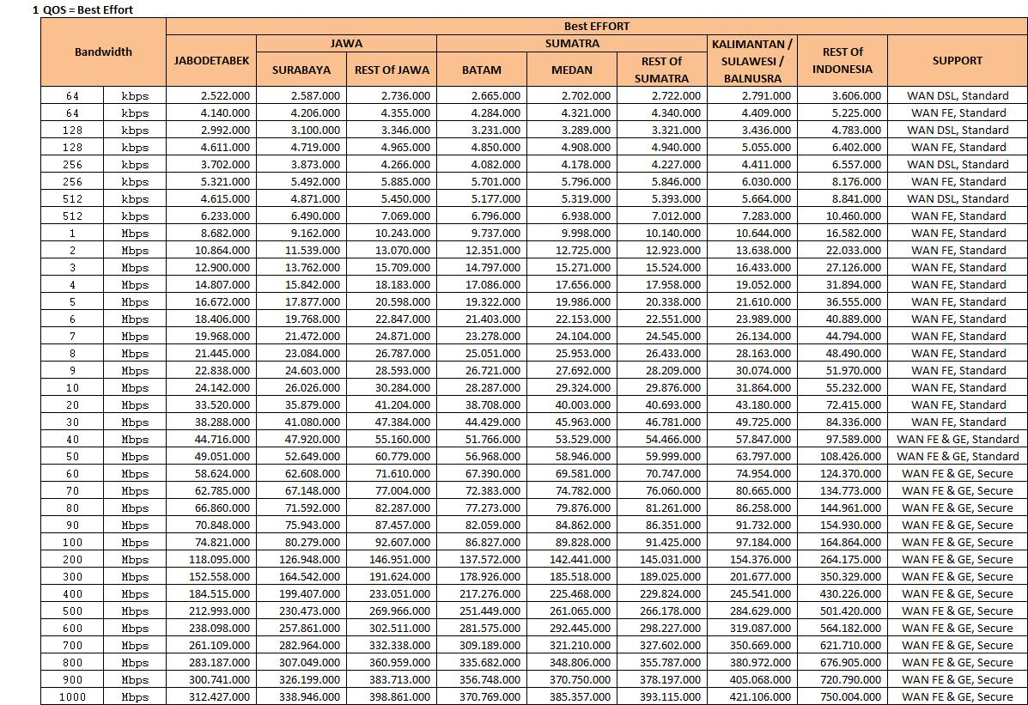

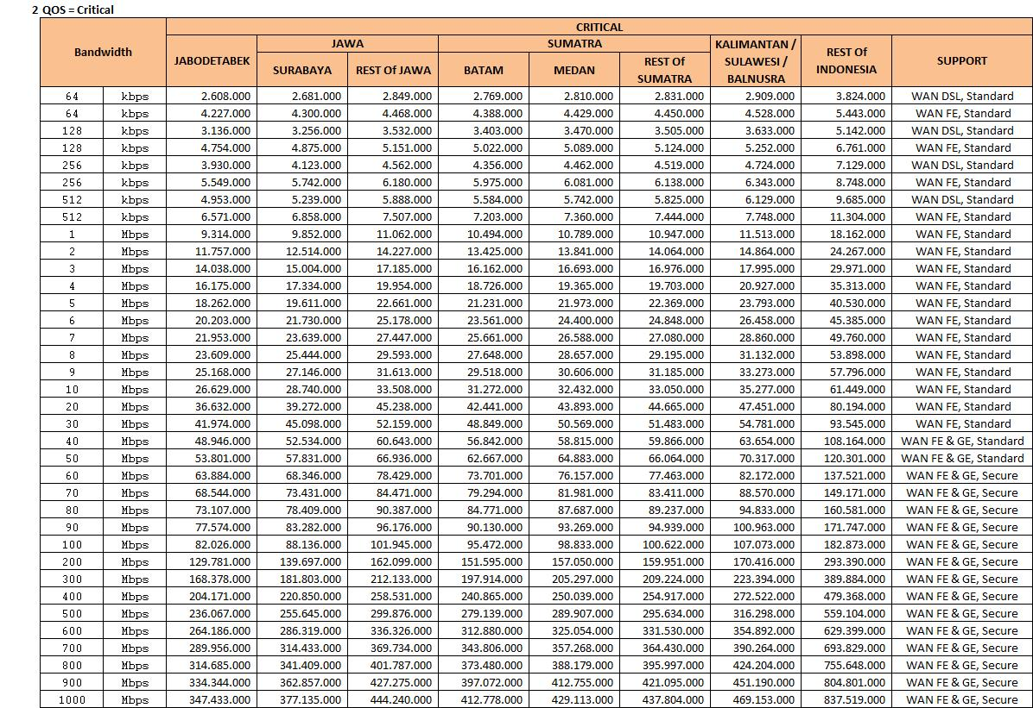

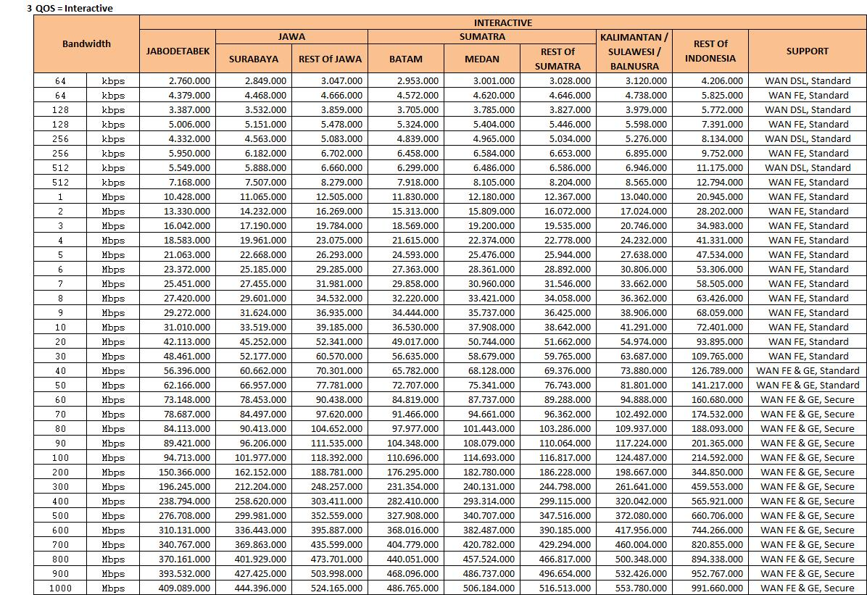

VPN IP Domestic Bandwidth vs QoS Charging Schema

 | **This means the price is in thousand (000)

2. High Level Structure
Commercial Offer / Root Product
Product (L1) | Product (L2) | Product (L3) | Product Class | Class Attributes Default Values

Product Level 2/3 / Feature/Add-On
MPLS VPN IP Network |  |  | MPLS VPN IP Network PS | MPLS VPN IP Service Type: VPN IP Business MPLS VPN IP Network Topology: Full Mesh MPLS VPN IP EVC Type: Not Applicable

Product One-Time Charge/Discount
MPLS VPN IP Node |  |  | MPLS VPN IP Node PS | MPLS VPN IP Service Type: VPN IP Business MPLS VPN IP Node Topology: Full Mesh MPLS VPN IP Access Technology: Fiber Optic MPLS VPN IP Access Type: Fiber Optic (GE, FE) MPLS VPN IP VRF: New MPLS VPN IP VRF Name: MPLS VPN IP Routing Type: STATIC MPLS VPN IP Address: MPLS VPN IP Subnet Mask: Number of VPN Prefix: 1000 MPLS VPN IP Region: Jabodetabek MPLS VPN IP Global Location: Not Applicable MPLS VPN IP Telkom Telin Node Location: Not Applicable MPLS VPN IP Telkom Telin Node Loc Dtl: MPLS VPN P Metro CoS: Not Applicable MPLS VPN IP HRB/STO: None MPLS VPN IP Tariff Parameter: NORMAL BERBAYAR
 | MPLS VPN IP Package 1 |  | MPLS VPN IP Package PS | MPLS VPN IP Package: Package 1 MPLS VPN IP Bandwidth: MPLS VPN IP CoS Critical: 0 MPLS VPN IP Best Effort: 0 MPLS VPN IP CoS Interactive: 100
 | MPLS VPN IP Package 2 |  | MPLS VPN IP Package PS | MPLS VPN IP Package: Package 2 MPLS VPN IP Bandwidth: MPLS VPN IP CoS Critical: 40 MPLS VPN IP Best Effort: 40 MPLS VPN IP CoS Interactive: 30
 | MPLS VPN IP Package 3 |  | MPLS VPN IP Package PS | MPLS VPN IP Package: Package 3 MPLS VPN IP Bandwidth: MPLS VPN IP CoS Critical: 100 MPLS VPN IP Best Effort: 0 MPLS VPN IP CoS Interactive: 0
 | MPLS VPN IP Package 4 |  | MPLS VPN IP Package PS | MPLS VPN IP Package: Package 4 MPLS VPN IP Bandwidth: MPLS VPN IP CoS Critical: 70 MPLS VPN IP Best Effort: 30 MPLS VPN IP CoS Interactive: 0
 | MPLS VPN IP Package 5 |  | MPLS VPN IP Package PS | MPLS VPN IP Package: Package 5 MPLS VPN IP Bandwidth: MPLS VPN IP CoS Critical: 30 MPLS VPN IP Best Effort: 0 MPLS VPN IP CoS Interactive: 70
 | MPLS VPN IP Package 6 |  | MPLS VPN IP Package PS | MPLS VPN IP Package: Package 6 MPLS VPN IP Bandwidth: MPLS VPN IP CoS Critical: 0 MPLS VPN IP Best Effort: 100 MPLS VPN IP CoS Interactive: 0
 | MPLS VPN IP Package 7 |  | MPLS VPN IP Package PS | MPLS VPN IP Package: Package 7 MPLS VPN IP Bandwidth: MPLS VPN IP CoS Critical: 0 MPLS VPN IP Best Effort: 0 MPLS VPN IP CoS Interactive: 0
 | MPLS VPN IP SLG Standard |  | MPLS VPN IP SLG PS | MPLS VPN IP SLG Package: Standard
 | MPLS VPN IP SLG Secure |  | MPLS VPN IP SLG PS | MPLS VPN IP SLG Package: Secure
 | MPLS VPN IP SLG Advanced Secure |  | MPLS VPN IP SLG PS | MPLS VPN IP SLG Package: Advanced Secure
 | MPLS VPN IP Burstable |  | Burstable PS | Burst Flag: Y Fixed Bandwidth: Rate: Percentile: 0.95 Port ID:
 | MPLS VPN IP On Demand Bandwidth |  | MPLS VPN IP On Demand BW PS | MPLS VPN IP On Demand BW: Duration: DurationUnitOfMeasure: Days DurationValidityStart: Now
 | MPLS VPN IP Access List (ACL) |  | MPLS VPN IP ACL PS | Number of VPN ACL:
 | MPLS VPN IP DHCP |  | MPLS VPN IP DHCP PS
 | MPLS VPN IP Network Access Translation |  | MPLS VPN IP NAT PS
 | MPLS VPN IP Network Time Protocol |  | MPLS VPN IP NTP PS
 | MPLS VPN IP VLAN Number Preservation |  | MPLS VPN IP VLAN Preserve PS
 | MPLS VPN IP QoS |  | MPLS VPN IP QoS PS | VPN QoS: Please Select
 | MPLS VPN IP CPE |  | MPLS VPN IP CPE PS | CPE Option: ROUTER Manage CPE: Yes
 | MPLS VPN IP Biaya Aktivasi - Business |  | MPLS VPN IP Installation OTC PS | MPLS VPN IP City: Please Select
 | MPLS VPN IP Biaya Aktivasi - Domestik |  | MPLS VPN IP Installation OTC PS | MPLS VPN IP City: Please Select
 | MPLS VPN IP Biaya Lastmile |  | Non Recurring Charge Class
 | MPLS VPN IP Biaya Overseas Local Loop |  | Non Recurring Charge Class
 | MPLS VPN IP Biaya Administrasi BWoD |  | Non Recurring Charge Class
 | MPLS VPN IP Dynamic Routing OTC |  | Non Recurring Charge Class
 | MPLS VPN IP Tambahan Jumlah Prefix OTC |  | Non Recurring Charge Class
 | MPLS VPN IP Biaya Relokasi |  | Non Recurring Charge Class
 | MPLS VPN IP Biaya IKG - Global |  | MPLS VPN IP Installation OTC PS | MPLS VPN IP City: Please Select
 | MPLS VPN IP OTC Telkom - Global |  | Non Recurring Charge Class
 | MPLS VPN IP OTC Telin - Global |  | Non Recurring Charge Class
 | MPLS VPN IP Node Discount |  | Discount PS
 | MPLS VPN IP Node Discount OTC |  | Discount PS
 | VPN Instan |  | VPN_INSTANT_FEATURE_PS | see sheet Class Atribute
 | Fitur Mobile Backup |  | VPN_MOBILEBCKUP_FEATURE_PS | see sheet Class Atribute
 | Biaya Aktivasi Mobile Backup |  | Non Recurring Charge Class
 | Biaya Relokasi Mobile Backup |  | Non Recurring Charge Class

MPLS VPN IP Bandwidth Charge |  |  | MPLS VPN IP BW Charge PS
 | MPLS VPN IP Bandwidth Charge Discount |  | Discount PS

